Sheet1
Personal Work Log

Nikkolas Diehl - 16945724

Total Hours Spent on the Computer Graphics Assignement 1: 1.2 |  |  |  |  |  | Number of Logs: 2

Date | Hours | Difficulty with task |  |  | What did I learn | Personal Reflection Of Events During This Time
 |  | Easy | Moderate | Hard
2019-03-01 | 1 |  |  |  | Texture mapping and started some ideas about bitmap bump maping | Started the project and got basic files working. Started working on the terrain but it wasn't working

2019-05-03 | 0.2 |  |  |  | __ | 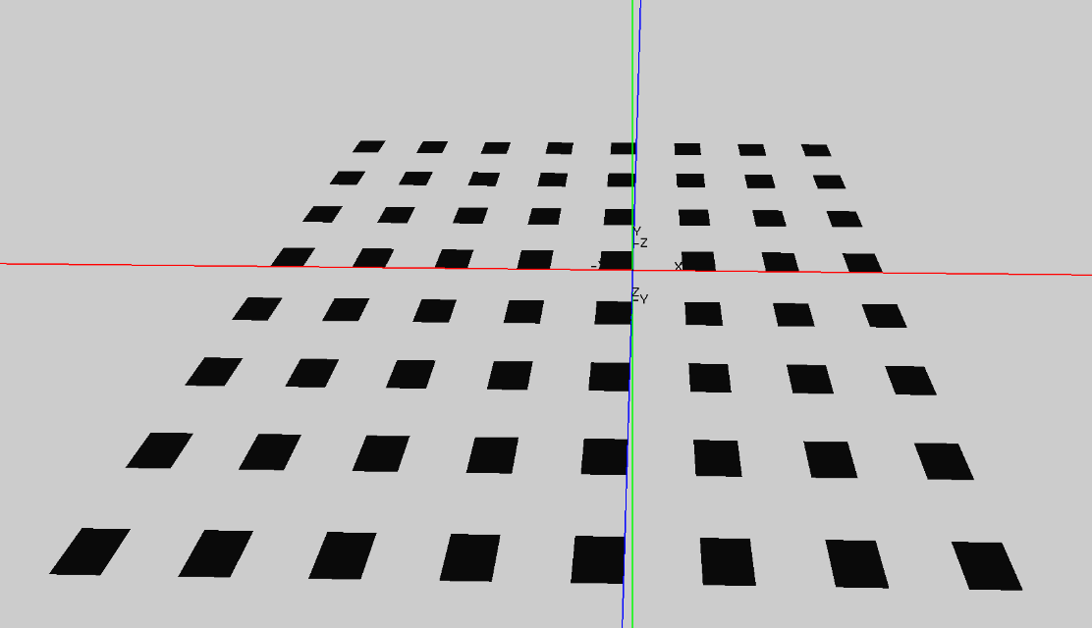 Started some very basic work on the terrain. Got it to display a little but but didn't have much time to work on it today.

